Column Explanation
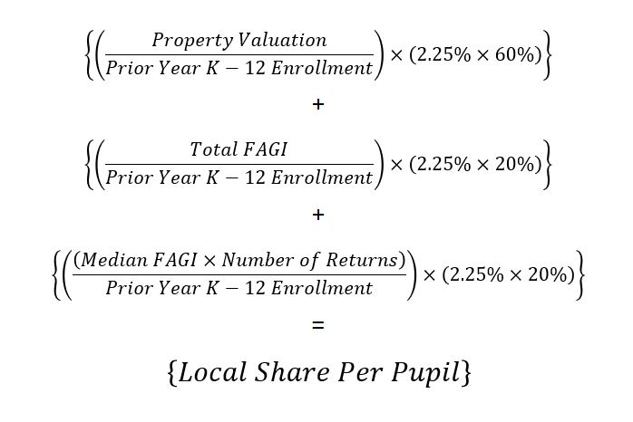
Column Explanations for District Simulations Spreadsheet

Column C--FY 2019 students being educated in the district, including open enrollment in students and excluding resident students not being educated in the district

Column D--The enrollment shown in Column C as a percentage of FY 2019 Formula Average Daily Membership (ADM)

Column E--District local capacity using a 60% weight on valuation and a 40% weight on income

Column F--FY 2019 state aid, excluding weighted Career Tech funding, after subtractions for community school, open enrollment, and scholarship transfers

Column G--Estimated FY 2020 total funding, excluding Career Tech weighted funding, under the Fair Formula Plan

Column H--Estimated FY 2021 total funding, excluding Career Tech weighted funding, under the Fair Formula Plan

Column I--Estimated change in funding, excluding Career Tech weighted funding, from FY 2019 (Column F) to FY 2020 (Column G)

Column J--Estimated change in funding, excluding Career Tech weighted funding, from FY 2019 (Column F) to FY 2021 (Column H)

Column K--Estimated total per pupil funding, excluding Career Tech weighted funding, FY 2019 (Column F divided by Column C)

Column L--Estimated total per pupil funding, excluding Career Tech weighted funding, FY 2020 (Column G divided by Column C)

Column M--Estimated total per pupil funding, excluding Career Tech weighted funding, FY 2021 (Column H divided by Column C)

